T3.2
m= | 0.33
s= | 0.01
x= | 0.32
(a) |  | (b)
p(x<0.32) | 0.15865525393 | p(xmin < x < xmax) |  | This gives smallest interval!
 |  | xmin= | 0.31040036015
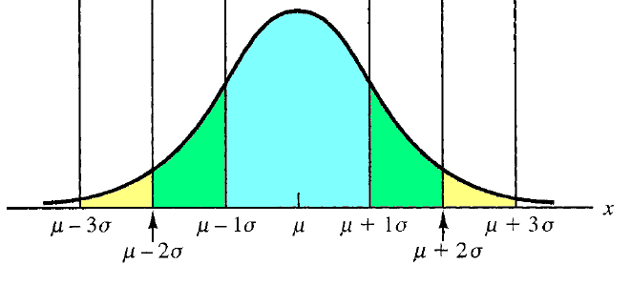
 |  | xmax= | 0.34959963985

 |  | p(x > xmin)
 |  | xmin= | 0.31355146373
 |  | xmax= | +infinity

 |  | p(x < xmax)
 |  | xmin= | 0
 |  | xmax= | 0.34644853627

